IP and Relaxed LP
Problem |  |  |  |  |  |  |  |  |  |  | Problem: Additional
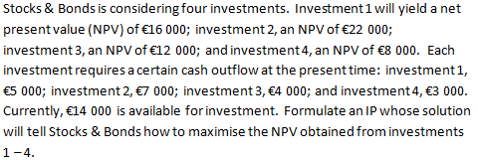
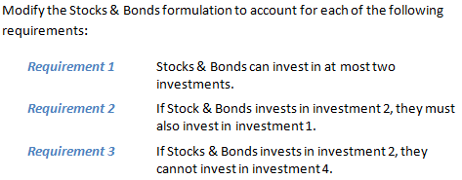

Decision Variables

 | xj (j = 1, 2, 3, 4) |  |  |  | = | { | 1 if investment j is made
 |  |  |  |  |  |  | 0 otherwise

Integer Programming Model |  |  |  |  |  |  |  |  |  |  | Integer Programming Model: Additional
max z = | 16x1 | + | 22x2 | + | 12x3 | + | 8x4 |  |  |  | max z = | 16x1 | + | 22x2 | + | 12x3 | + | 8x4
s.t | 5x1 | + | 7x2 | + | 4x3 | + | 3x4 | ≤ | 14 | Funds Restriction | s.t | 5x1 | + | 7x2 | + | 4x3 | + | 3x4 | ≤ | 14 | Maximum cash on-hand.
 | xi = 0 or 1 |  |  |  |  |  |  |  |  |  |  | x1 | + | x2 | + | x3 | + | x4 | ≤ | 2 | Maximum investments.
 |  |  |  |  |  |  |  |  |  |  |  | x2 | - | x1 | ≤ | 0 |  |  |  |  | If 2, then 1.
Relaxed Linear Programming Model |  |  |  |  |  |  |  |  |  |  |  | x2 | + | x4 | ≤ | 1 |  |  |  |  | If 2, then not 4.
max z = | 16x1 | + | 22x2 | + | 12x3 | + | 8x4 |  |  |  |  | xi = 0 or 1
s.t | 5x1 | + | 7x2 | + | 4x3 | + | 3x4 | ≤ | 14
 | xi ≥ 0 |  |  |  |  |  |  |  |  |  | Relaxed Linear Programming Model: Additional |  |  |  |  |  |  |  |  |  |  | x2 | + | x4 | ≤1
 |  |  |  |  |  |  |  |  |  |  | max z = | 16x1 | + | 22x2 | + | 12x3 | + | 8x4 |  |  |  | 1 | + | 1 | =2 | FALSE
Solver |  |  |  |  |  |  |  |  |  |  | s.t | 5x1 | + | 7x2 | + | 4x3 | + | 3x4 | ≤ | 14 | Maximum cash on-hand. | 1 | + | 0 | =1 | TRUE
 | x1 | x2 | x3 | x4 | Cell | Sign | b |  |  |  |  | x1 | + | x2 | + | x3 | + | x4 | ≤ | 2 | Maximum investments. | 0 | + | 1 | =1 | TRUE
Var. | 0 | 1 | 1 | 1 |  |  |  |  |  |  |  | x2 | - | x1 | ≤ | 0 |  |  |  |  | If 2, then 1. | 0 | + | 0 | =0 | TRUE
Obj. | 16 | 22 | 12 | 8 | 42 |  |  |  |  |  |  | x2 | + | x4 | ≤ | 1 |  |  |  |  | If 2, then not 4.
s.t.1. | 5 | 7 | 4 | 3 | 14 | ≤ | 14 |  |  |  |  | xi ≥ 0

 |  |  |  |  |  |  |  |  |  |  | Solver: Additional
 |  |  |  |  |  |  |  |  |  |  |  | x1 | x2 | x3 | x4 | Cell | Sign | b
 |  |  |  |  |  |  |  |  |  |  | Var. | 1 | 1 | 0 | 0
 |  |  |  |  |  |  |  |  |  |  | Obj. | 16 | 22 | 12 | 8 | 38
 |  |  |  |  |  |  |  |  |  |  | s.t.1. | 5 | 7 | 4 | 3 | 12 | ≤ | 14
 |  |  |  |  |  |  |  |  |  |  | 2 | 1 | 1 | 1 | 1 | 2 | ≤ | 2
 |  |  |  |  |  |  |  |  |  |  | 3 | -1 | 1 | 0 | 0 | 0 | ≤ | 0
 |  |  |  |  |  |  |  |  |  |  | 4 | 0 | 1 | 0 | 1 | 1 | ≤ | 1

